Sheet1
Ruling Class members used to risk death in combat on the front lines of the wars they initiated. The American Ruling Class in our modern age would never do such a thing; testosterone too low, selfishness too high.
"George W Bush invaded Iraq" No American soldiers invaded Iraq Bush was sleeping in The White House in a warm bed while our soldiers died

Trying to predict the future based on what happened in the past is like trying to drive a car while looking in the rear view mirror. Warren Buffet said this.

If you are attempting to use intimidation on a man who has nothing to lose, you are wasting your time. This sounds 'obvious', yet many forget this when there is cortisol rushing through their veins.

The American Masses Are Screwed ======= 50th Percentile Monthly Income: $2k post tax 50th Percentile Monthly Rent: $1.3k .....50th Percentile American is blowing more than half their income on rent
America is a society where we set the masses up for failure And when they fail We pretend to be surprised And we blame them
I am not a person who is going to tell you that your odds of success are good, when objectively the overwhelming probability is you will fail. ======== "What is your advice for an American at the 50th Percentile?" None You are screwed
You need to be *way higher* than the 50th percentile to have a decent life.
To be clear, the purpose of this thread is not to discourage you. It is to tell you "WAKE UP RIGHT NOW, AND TAKE ACTION TO GET WAY ABOVE THE 50th PERCENTILE BEFORE IT IS TOO LATE"

False Accusations Works
If you accuse someone of a crime, and provide **ZERO CONCRETE EVIDENCE** a significant percentage of people will assume the accusation is true and the person is guilty.

The way we view our ancestors who owned slaves is the way our descendants will view our callous indifference regarding the suffering of the poor.
Well I hope.... For all I know, our descendants will be even more barbaric than we are.
In 2020 America, we have the resources to put a roof over the head of every single homeless person. We just choose not to. **We have the ability to eliminate poverty. We lack the political willpower to do what is necessary to eliminate poverty.**

Most people annoy me, because I expect them to be reasonably good at rigorous logical reasoning, and they are not.
If you have an IQ of 130+, most people you encounter are going to be significantly dumber than you. This is not a compliment; it is a statement about objective reality.
If you are low on agreeableness, you don't tend to be forgiving of foolish mistakes.
If you have an IQ of 130+ and you are low on agreeableness, you are going to dislike most people. Why? You are going to be annoyed by how dumb them they are.

I dislike most people, not in the sense that I want harm to come upon them, but more in the sense that I am constantly annoyed by how foolish they are.

ARCHETYPE: Rightwing American Baby Boomer Votes Republican
Has callous indifference regarding the plight of the younger generations (Millenials & Zoomers). Assumes that the only explanation for poor people not having money is laziness.
Is unaware that housing prices have skyrocketed during the past 50 years, while wages have been dead flat. Has mental models of America stuck back in the year 1970.
Thinks they attained 'Home Ownership' because they are smart. In reality they were able to buy a house simply because they were born at precisely the right time.

National Debt is at $27 Trillion To save America from going bankrupt We must Cut Social Security to Zero Some Baby Boomers will consequently die This is an acceptable sacrifice
I am not willing to destroy our civilization (bankruptcy) for the sake of keeping boomers alive for a few more years in retirement homes.

'The American Middle Class' is my favorite fictional character.
The American 'Middle' Class exists in the stories told by Politicians and The Mainstream Media, not in reality.

Most businessmen are not very bright. Businessmen = Financiers, Lawyers, Salesmen, Entrepreneurs They have IQs in the range of 100 - 119. Very few have IQs of 120+, and incredibly few have IQs of 130+.
They are smart enough to do financial calculations and understand legal systems. They are NOT smart enough to do multi-variable calculus.
They are NOT THAT GREAT at doing rigorous logical reasoning. Many think there is a god living in the sky with a son named Jesus (most Rightwing businessmen in America fall in this category).
Engineers, Scientists, and Doctors tend to be smart. All are minimum IQ 120+, many are 130+

Most of the men working in finance don't know that money printing has been happening for the past 50 years, and has been inflating Asset Prices (Real Estate, Equities). They don't know, because they don't need to know.
Them doing their job functions effectively does not require them to be aware of the fact that for the past 40-50 years, money printing has caused inflation, and the inflation has mostly gone into driving up Asst Prices.
They are well informed enough to do their jobs, but not well informed enough to have an accurate view of what is happening on a macro level...
(Federal Reserve Prints US Dollars, Printed Dollars Get Thrown Into Assets (Real Estate & Equities), Thereby Causing Real Estate Prices and The Stock Market To Shoot Up)

Most people engage in zero critical thinking.
40% of people will side with the Leftwing no matter what. 40% of people will side with the Rightwing no matter what.
Seriously. For most people, their political analysis boils down to "Leftwing is good and Rightwing is bad" OR "Leftwing is bad and Rightwing is good". Very, very, few people engage in careful critical thinking.

Homelessness = Every Friend and Family Member I Have Left Me To Die
Homelessness is obviously physically painful, due to the lack of shelter. Homelessness is spiritually painful, because it means abandonment by every friend, relative, and ally.
This is pure speculation; I've never been homeless, or even lived near the poverty line. It just occurred to me that in order to not have a roof over your head, literally every contact you have must have decided "I will leave this person to die."
I always assumed the main reason for homelessness was "Wages are too low, and The Rent Is Too Damn High" It seems I was wrong.

Working 18 hours a day is counterproductive because from hours 13 - 18 you'll be making mistakes that require additional labor hours later to be spent fixing them.
Working 80 hours a week is counterproductive because from hours 61-80 you'll be making mistakes that require additional labor hours later to be spent fixing them.

If ever find yourself saying "They wouldn't be dumb enough to..." Yes Yes they would
Human Resources Departments within corporations are filled with -Leftwing women -Leftwing men with low testosterone Never encountered a high testosterone man in an HR department.

Trump Supporters: Many of them love Trump Biden Supporters: Zero of them love BIden Nobody voted for Biden because they like Biden; they voted for Biden simply because they dislike Trump, and Biden is the only available alternative.

I want some degree of wealth redistribution/socialism so that we don't have poor people starving in the streets. At minimum, there should be 'Universalized Healthcare' so we don't have poor people dying due to a lack of medical care.
On the other hand, wealth redistribution/socialism is intrinsically dysgenic, since it means transferring resources out of the hands of High IQ Competent People, and into the hands of Low IQ Incompetent People.
This hinders the reproduction of High IQ People, and enhances the reproduction of Low IQ People. It makes the fictional movie 'Idiocracy' a reality.

Every marriage is arranged. The only question is who is arranging it.

If you ever suspect that humans are morally reprehensible, you are correct. Keep in mind that for 99% of human history, we considered slavery to be perfectly acceptable.
"Is slavery morally acceptable?" This is perhaps the easiest moral question in the history of the world, and the most consequential. It is a moral question that 99% of humans who ever lived got wrong.

Female In-group Preference: Women automatically like other women. Men do NOT automatically like other men. Women automatically side with other women. Men do not automatically side with other men.

"Hope is a very dangerous thing to lose." -Sayid
Only Satan knows the things you'd be willing to do if you had nothing to lose.
It's incredible what a man is capable of once he has given up hope.
Most people are risk averse their entire life. Most men will only become risk aggressive once they have conscious awareness that they have nothing to lose.

Violent Revolution is what happens when young men towards the bottom of the macro dominance hierarchy come to the conscious realization that their lives are so miserable that they have nothing to lose.
Inequality Drives Violence As inequality rises in a society, the homicide rate goes up.
As Inequality Rises, Politics Becomes More Polarized, And Violent Revolution Becomes More Likely.

Powerless people are the most dangerous. Why? They have nothing to lose. They will burn down everything and everyone, including themselves, and including you.
"Never compete against a man who has nothing to lose." -Baltasar Gracian
People instinctively fear powerful people, as they should. However, most people make the mistake of viewing powerless people as harmless, when in truth they are the most dangerous; they are the ones with nothing to lose.

If he has a net worth of $10 Million + He has enemies Nobody makes it that high in the hierarchy without prevailing in intense conflict(s)
If you consider him to be a genius He has demons "Genius has never existed without a touch of insanity" -Aristotle

Demons Are Expensive

If a psychopathic man ever refers to you in the past tense RUN

Demons Are Real.
I am an atheist by any reasonable standard, yet I am still convinced the concept of 'Demons' is useful for understanding reality. For most of human history, what we call 'Mental Illness' was conceptualised as 'Demon Possession'.
If you think dealing with a mentally ill person is difficult, don't be too hard on yourself. Bear in mind that for most of human history 'Mental Illness' or 'Insanity' was considered to be a sign that a Demon possessed the person's mind; you are literally dealing with Satan.
I am convinced that school shooters are the victims of demon possession.
*This is not meant to dismiss the suffering they inflict upon others.

High Orderliness (part of the Big 5 Trait 'Conscientiousness') drives Rightwing political preference. The good part of Rightwingers being high on Orderliness is that it causes them to keep their rooms and kitchens clean.
The bad part is that high Orderliness makes people *very judgemental*. If someone fails, they assume it is the person's own fault. They have callous indifference regarding the suffering of those at the bottom of the dominance hierarchy;...
..they tend to assume that poor people suffer due to their own foolishness, and therefore deserve their suffering.
In extreme cases, high Orderliness drives racial/ethnic prejudice. Racism (the real kind, not the 'micro-agressions' kind) seems to be driven by high Orderliness.
Thinking "I dislike people who aren't part of my racial/ethnic group" is something you will find in people who rank extremely high on 'Orderliness'.
KKK members and Nazis have clean and orderly rooms. They also have intense racial hatred. These 2 things correlate.
Things you will find at the Extreme Rightwing of the Political Spectrum: -High Orderliness. Clean and orderly rooms. -Judgmental. Thinks poor people deserve to suffer. -Intense Racial/Ethnic Hatred
Going along with the racial/ethnic hatred, they dislike immigrants.
To be clear, their reaction to immigrants and people who are not members of their own racial/ethnic group is not 'hatred'; it's more so 'disgust'. When a KKK member looks at a black person, they don't feel anger or hatred; they feel disgust.
People's dislike of homosexuals seems to be driven by the same thing; disgust, not anger or hatred.
TLDR: Things that correlate... Rightwing Political Preference High Orderliness Clean Rooms and Kitchens Judgmental Thinks poor people are poor due to laziness Thinks drug addicts don't deserve compassion Intense Racial/Ethnic prejudice Dislikes immigrants Dislikes homosexuals

If you walk into someone's bedroom and it is messy, they are probably politically Leftwing. If you walk into someone's bedroom and it is perfectly clean, they are probably politically Rightwing.
High Orderliness -->> Rightwing Low Orderliness -->> Leftwing
If they love art, they are probably politically Leftwing. If they think art is boring, they are probably politically Rightwing.
High Openness -->> Leftwing Low Openness -->> Rightwing

Things I like about the Rightwing:
-Wants stable and healthy family structures. Wants children raised by their mother and father (doesn't say things like "Single motherhood is perfectly fine"). -Sexually conservative. Wants women to limit their partner counts so they keep their pairbonding capacity intact.

Things I Dislike about the Rightwing: -Callous indifference regarding the suffering of those towards the bottom of the dominance hierarchy (poor people). Zero Wealth Redistribution ever, even when poor people are starving in the streets.

Data tells us that as a woman acquires more sexual partners her pairbonding capacity diminishes. I am convinced the same is true of men, thought I don't have data to back it up; just a hunch.

"Insanity is rare in individuals. In groups it is the rule." -Nietzsche
If you are Leftwing and you find yourself manufacturing rationalizations as to why injecting healthy 12 year old girls with Testosterone Cypionate is a good idea... it is time to pause and reflect.
If you are Rightwing and you find yourself manufacturing rationalizations as to why putting children into cages is acceptable... it is time to pause and reflect.
40% of Americans will side with the Leftwing no matter what. 40% of Americans will side with the Rightwing no matter what.
The Leftwing could literally say "We want to collectivize the farms, Vladimir Lenin style" and 40% of Americans would side with them. The Rightwing could literally say "We want to bring back slavery, Confederacy style" and 40% of Americans would side with them.
Most people are not willing to carry out atrocities. However, most people are willing to support a regime that carries out atrocities, so long as they don't have to personally do the dirty work.
If you go to most Leftwing Americans, and bring a healthy 12 year old girl with you, and tell them "Give this girl Testosterone injections because she 'Feels like she wants to be a man'", most of them will be horrified, and refuse.
However, they are willing to vote for politicians who push to legalize this.
If you go to most Rightwing Americans, and bring 1 child in a cage with you, and tell them "Please store this child in your living room for the next month", most of them will be horrified (and call the police to arrest you).
However, they are willing to vote for politicians who keep hundreds of children in cages.

For all of human history, it has been the case that Intelligence is an advantage for survival, and for accumulating wealth and power. It has always been the case that smart people are better at surviving, and making money, than dumb people. However...
As time has gone on, and technology has advanced, and the jobs people must do have become more complex, and the envionrment has become more complex... The advantage smart people have over dumb people has intensified.
In a hunter gatherer tribe, or in a society where most people are farming, a smart man has a slight advantage over a dumb man.
Hunting and farming both involve some complexity, so, intelligence is an advantage, but the advantage having a High IQ gives a person is only a small advantage.
However, in an industrialized society (factories, but no computers or internet) (see 1920 America), there is huge complexity involved with many of the tasks that must be done, so the advantage one gets from having a High IQ is big.
In a technologically advanced society (computers and intert) (see 2020 America), there is an immense amount of complexity involved with almost every task, and every single high paying job, so the advantage one gets from having a High IQ is astronomical.
TLDR: As time has gone on, and technology has become more advanced, and the tasks one must be capable of doing to operate effectively have become more complex, the advance intelligent (high IQ) people have over dumb (low IQ) people has gotten bigger.
GENERAITONAL DIFFERENCES IN INTELLIGENCE: There is a key generational difference relevant in modern America. The envionrment the younger generations (Millenials & Zoomers) face is far more complex than the envionrment the older genrations (Boomers & Gen Xers) faced.
From 1970 to 2020, technology became more advanced, jobs became more complex, and the envionrment as a whole became more fast paced and complex.
As a result, the advantage a Millenial/Zoomer gets from having a High IQ is more intense than the advantage a Boomer got from having a High IQ.
In the younger generations **the correlation between Intelligence and Wealth (IQ and Income)** is WAY STRONGER than it was in the older generations.
In American Baby Boomers, the correlation between Intelligence and Wealth is *positive and weak*. In American Millennials, the correlation between Intelligence and Wealth is *positive and strong*.
This may explain why I continuously encounter Boomers who are spectacularly rich, but *NOT ALL THAT SMART*, but I do *not* encounter Millennials who are ultra rich but not all that smart.
INVESTMENT BANKING AS AN INDUSTRY EXAMPLE: In Investment Banking, it is clear that the correlation between Intelligence and Success is WAY STRONGER in the younger generations than in the older generations.
You will meet successful Baby Boomer investment bankers with IQs in the range of 110 - 120. You will NOT meet many (or any) successful Millenial investment bankers with IQs below 120. Most are 130+.
This is mostly because the minimum Intelligence one must have, the minimum requirements one must meet, to get into Investment Banking at the entry level (analyst level) have gone up as the decades have passed.
1970: If a Boomer wants to get an entry level (analyst) position in investment banking, the standards they have to meet are NOT THAT HIGH.
They can get a bachelors degree from a mediocre state school, in an easy and useless subject (English, Poetry), and they could very well be hired as an analyst. A person with an IQ of 110 could easily do this.
2020: If a Millenial/Zoomer wants to get an entry level (analyst) position in investment banking, the standards they have to meet are VERY HIGH
They have to get a bachelors degree from a top school (Ivy League, Stanford) AND get high grades (GPA 3.7+) AND major in a difficult subject (finance, economic, STEM), all so that they can MAYBE get hired to be an analyst.
Having spoken with both Baby Boomer and Millenial investment bankers The Baby Boomer bankers are *noticeably dumber* than the Millenial bankers.
This is unsurprising, since the standards the Boomers had to meet to get into investment banking were drastically lower than the standards their younger Millenial counterparts had to meet.

Most People (Fools) Are Ego Invested In Their Opinions. If You Express Any Disagreement With Their Opinions, They Will Take It As A Personal Insult
Most People (Fools) Have Opinions That Are Not Well Thought Through
They Did NOT Carefully Examine All The Relevant Information Before Formulating Their Opinion Instead, Emotion and Instinct Launched Them Into A Certain Opinion, And They Retroactively Cherry Pick Information And Manufacture Rationalizations To Justify...
Their Prematurely Formulated Opinion

When I meet Rich Millennials, they are always extremely intelligent. When I meet Rich Baby Boomers, they are very often *not very smart*. Their intelligence seems average or barely above average. Why?
Because the correlation between Intelligence and Wealth is stronger in the younger generations than in the older generations. And why is this?
Because as time has gone on (1950 - 2020 in America), technology has become more advanced and jobs have become more complex....which makes it such that...
...as time has gone on the performance advantage smart (High IQ) people have over dumb (Average or Low IQ) people has become more intense.
I am convinced that a similar trend applies to our politicians; as time has gone on, they have gotten smarter, or at least *the younger politicians are smarter than the older politicians*.
Tiny sample size, but this is noteworthy: John McCain, Joe Biden, Barrack Obama, Mitt Romney
John McCain and Joe Biden are (were) OLD. BABY BOOMERS. When I hear them talk, I get the sense they are *not that bright*. They have IQs in the range of 110 - 120.
Barrack Obama and Mitt Romney are both relatively young (Gen Xers, not as old as Boomers). When I hear them talk, I get the sense they are *extremely intelligent*; they have IQs of 130+ maybe 140+.
Whatever your political disagreements with Obama or Romney may be.... Neither of them are dumb.
I am willing to bet money that if we IQ tested Obama and Romney, they would both be at least 10 IQ points smarter than McCain and Biden.

Fictional Examples: Psychopath: -Frank Underwood (House of Cards) Narcissist/Sociopath: -Will Conway (House of Cards) -Sawyer (Lost) ======= Real World Examples: Psychopath: -Vladimir Putin -Jeffrey Epstein Narcissist/Sociopath: -Donald Trump
Psychopath: cold and detached Narcissist/Sociopath: egotistical, impulsive
Psychopathy: caused by genetics (dysfunctional or inactive amygdala) Narcissism/Sociopathy: caused by a bad childhood (abusive or negligent parents)
Psychopaths do not have souls. Narcissists/Sociopaths do have souls (but it's sitting underneath a swamp of ego and anger).
Psychopaths experience zero compassion and zero fear. Narcissists/Sociopaths do experience compassion, but usually their ego and anger take priority in terms of what they care about.
Any fear a Narcissist/Sociopath experiences is transmuted into anger. Narcissists/Sociopaths express any stress (cortisol) they feel as anger, rather than fear.
"Fight or Flight Response" is the 'Stress Response'. Cortisol is the main Stress Hormone you need to be aware of. Anger and Fear are both fuelled by Cortisol. Anger -> Fight Fear -> Flight
Women, Children, and Low Testosterone Men: They sometimes express stress as anger, and sometimes as fear
Neurotypical Men with High Testosterone: They usually express stress as anger, and rarely as fear
Narcissists/Sociopaths: They always express stress as anger, and never as fear
Psychopaths: They don't express stress, at all. They are calm and detached; sky high stress tolerance.

Law 19 Addendum: Never initiate conflict with someone you know nothing about. This sounds 'Obvious' yet many ignore this, at their peril.

As inequality rises in a society, the power differentials between people get bigger, and the degree to which those at the top of the hierarchy can exploit those beneath them within impunity intensifies.

Violence is the universal phobia. Phobia is an 'Irrational Fear'; violence is the one thing that all humans are irrationally afraid of.
When death comes as a result of homicide, or suicide, we view it as being far worse than when death comes from a natural disaster such as a virus or cancer.
People dying from homicide or suicide is far more likely to cause witnesses to be psychologically traumatized (PTSD) than people dying from natural causes such as a disease or a weather related accident.
For further details on this, see Dave Grossman's book On Killing

People who are Low IQ and High Agreeableness are the most vulnerable to exploitation and extortion. They aren't very smart (dumb enough too be deceived), and their high agreeableness causes them to be naive.
Those who harm such people should be burned alive.
Hugo (TV Show 'Lost) is a fictional example, of such a person. He is dumb, and agreeable. Such people are endearing.

For 99.9% of human history people lived with their extended family for their entire life. "The Nuclear Family" was a historical fluke that was mainstream in Western Countries from 1945 - 1979
Data tells us that children raised in nuclear families (2 parent households) do better than children raised in single parent homes, all else equal (even after adjusting for socioeconomic status).
I strongly suspect than children raised in extended families do better than children raised in nuclear families.
How many adults are present? Multiple Adults > 2 Parents > 1 Parent > 0 Parents (orphanhood)
Asians in America today (Indians and Chinese) often live in extended families their entire life, or for a very long time.
The young people in these (Asian) families have incomes above average compared to the general population; they could get their own place to live, they just choose not to.
Anecdotally, I know an Indian guy who works in software engineering and has a $200k+ W-2...who in his late 20s still lives with his parents. Why? In his words "Why would I move out?" ======== He puts his savings towards buying rental properties.

Those who suffer due to factors outside their control deserve all the compassion and assistance that we can give them.
Those who manufacture grievances out of nothing (see 'Micro-Aggressions') deserve to be laughed at and dismissed.

100% of people lie. This has been known for thousands of years. Yet somehow, to this day whenever a person is caught lying, everyone is shocked.

Most people are fundamentally decent human beings. They are *Good People* They genuinely care about the well being of others, and they want the world to be a better place for as many people as possible. Their intentions are genuinely good.
There are a minority of people who are genuinely *Bad People*. They are malignantly selfish; there is no one they care about, besides themselves. They will harm anyone to any degree for self gain, or for no reason other than because they felt like it.
Who would fall into the category of 'Bad People'? Jeffrey Epstein Jordan Belfort Bernie Madoff
"The road to Hell is paved with good intentions." There are *Good People* who carry out atrocities, because they genuinely believe that doing so will make the world a better place. They are 'True Believers'.
They have good intentions, and *Bad Ideas Can Persuade Good People To Do Terrible Things*.
Examples? -Vladimir Lenin -Mao Zedong -Adolf Hitler -Osama Bin Laden None of these men were psychopaths. Every one of them genuinely believed, from beginning to end, that what they were doing was making the world a better place.
They had noble intentions. And noble intentions, when misguided, can result in millions of innocent people being killed.
I am much more sympathetic to a man like Osama Bin Laden, than I am to a man like Jordan Belfort.
Bin Laden is conceptualized as 'Evil', but he wasn't. He was a genuinely good person, who was delusional about the nature of reality; he thought there was a god in the sky named 'Allah' who wanted him to kill innocent people.
Jordan Belfort has no such delusions about the nature of reality. He understands reality accurately; he understands that he robbed innocent people of their life savings to enrich himself, and he does not care. Belfort is not a good person who was misguided; he is just Evil.
Throughout human history, Evil people ('Bad People') did not kill millions. 'True Believers' did. Men like Adolf Hitler and Mao Zedong have killed far more people than men like Jordan Belfort and Jeffrey Epstein.

The fact that we glorify villains like Jordan Belfort (see 'The Wolf of Wall Street') is a sign that we live in a degenerate society.
Glorifying a man like Jordan Belfort Is As Insane As Glorifying a man like Jeffrey Epstein

The following things seem to correlate: -Sky High Verbal IQ -Night Owl (Stays Up Late, Sleeps In Late) -Alcoholism -Autoimmune Problems (Inflammation in Body) -Depression -Suicide Many great writers have all of these.

Be very thoughtful of what sort of life you arrange for yourself, because you're going to have to live with the consequences for a very long time.

High IQ Psychopaths: -Vladimir Putin -Bill Clinton -Jeffrey Epstein High IQ Narcissists/Sociopaths: -Donald Trump -Andrew Tate

America is a country where we sell medical care for extortionate prices, and poor people routinely die because they cannot access the medical care that would have saved their life. This is not 'Leftwing Rhetoric'; it is a statement about reality.
If you don't care about the suffering of the poor, there are no words I can offer that will persuade you to care. If someone is not compassionate, there are no words you can offer that are going to persuade them to be compassionate.
My own experiences with the American medical system have been spectacular; I have easy access to the best medical care on the planet. However, there are surely some diabetics in my city dropping dead because the don't have enough cash to buy the insulin that would save them.

Testosterone Levels in Western Men Have Been Declining For The Past 50 Years
Despair In America Has Been Rising Something Must Be Done

" The ideal amount of debt is zero " is a polite way of saying " I have zero understanding of 'Inflation' "
If America stayed on the 'Gold Standard' (no Fiat Currency) Private Equity would not be nearly as lucrative as it has been for the past 40 years Will Not Explain
Private equity is really private debt. They borrow money very cheap to leverage buyout cash flowing companies that rise in price with inflation. Inflation wipes out the debt and inflates their equity and cash flow. Transfer of wealth yearly from poor to rich.

Jihadists, Nazis, and Communists...all genuinely believe they are making the world a better place. They are not 'Evil.' They are Delusional.
"The road to Hell is paved with good intentions." Jihadists, Nazis, and Communists all believe they will take us to a Utopia. And to get there....they are willing to kill millions.
If you ever find yourself rationalizing why racking up an 8 figure body count is morally justified... It is time to pause and reflect.

Communists think that if we enforce equality of outcome (collectivize the farms), we will get an economic utopia where everyone is rich. Nazis think that killing off certain groups of people will result in us waking up int utopia.
Jews think there is a god in the sky named 'Yahweh' Christians think there is a god in the sky with a son named 'Jesus' Muslims think there is a god in the sky named 'Allah' and his prophet is named 'Muhammad'
Free Market Libertarians think that 'The Free Market' can solve every problem effectively.
What do they all have in common? They are delusional.

Laws alone cannot hold together civilization. Virtue in the citizenry is needed.
Basic human decency is needed for the sake of keeping civilization intact.
If a significant percentage of people in your civilization are at the point where *they need to be persuaded* that the lives and well being of people besides themselves matter Your civilization is doomed
If you don't care at all about the well being of people who are not you, there is nothing I can say that will change your mind.

Public Schools = Public Babysitting Service This is one service the US Government provides...that is well worth the taxes we pay for it.
Common Situation in America: Dad works full time. Mom works full time. 2 children. If the kids aren't in school...WHO IS GOING TO WATCH THE CHILDREN ALL DAY????
In the 1970s, American women entered the white collar workforce en masse. Why? Because they have to; economic necessity compels them. If the women don't work, the family will starve.
A 'Single Income Household' (husband works, wife stays home with the kids) is a viable option only for the rich. For a family at the 50th percentile of income, such an arrangement would mean poverty.
2nd Wave Feminism was a Psy-Op designed to persuade American Women that labor is a privilege they were being denied, rather than what it really is; a burden they had been temporarily spared.

THREAD: Family Structures in America
1776 - 1945: Americans lived in extended families. Grandparents, parents, and children all under one roof.
1946 - 1979: The 'Nuclear Family' was a historical fluke, that was mainstream during this period. Husband, Wife, Children. Husband works to make money, Wife stays at home to watch the children. No Aunts/Uncles or Cousins or Grandparents present.
1980 - 2020: Chaos Single Mother Households are common (supported be The Welfare State). Nuclear Families still exist, but *real wages* have dramatically dropped. Both the Husband and Wife have to work to make money.
1980 - 2020: Nuclear Families where the Husband works to make money and the Wife stays at home to raise the children exist, and are rare; such an arrangement is a luxury reserved for the rich.
*Real Wages Have Been Going Down From 1970 - 2020*, so a 1 income household is no longer viable for a majority of the population.
Why have real wages been going down from 1970 - 2020? OUTSOURCING jobs to other countries (sending manufacturing from America to China) decreased the demand for labor, which causes lower wages. AUTOMATION of jobs decreased the demand for labor, which causes lower wages.
2nd Wave Feminism (Women Entering The Workforce) and Immigration, both increased the supply of labor, which means lower wages.

The fact that you can predict a person's opinion on the political issue 'Gun Control', based on their opinion on the political issue 'Gay Marriage' or their opinion on the political issue 'Healthcare' is a sign
that people are not engaging in careful critical thinking about the issues. ============ Instead, they are instinctively separating into tribes. 'Leftwing' and 'Rightwing' 'Democrat' and 'Republican'

Things that are tightly interrelated: -Hypergamy -Light Switch Effect -War Brides Effect -Stockholm Syndrome They probably have the same neurocircuitry within the female hindrain.

"People's intentions don't matter. Their results are the only thing that matter." This is a lie.
Intentions matter a great deal, since it indicates what a person is likely to do in the future.
If a person stabs a knife into your chest, intentionally, how should you respond? Become adrenalized, and fight for your life. If a person stabs a knife into your chest *unintentionally*, how should you respond? Remain calm, and wait for them to call you an ambulance.

"What would you sound like, if you didn't self censor at all, and you simply said what you actually think?" I'd sound like the CM Twitter feed and 55 Essays.
This is why every smart person needs an Anonymous Twitter Account. 'Free Speech' can only exist when shielded by anonymity.

Law 15 Addendum: God does not have an infinite supply of Mercy and Forgiveness. At some point Mercy exits and The Wrath of God wakes up.

Impulsive violence that gives no tangible benefit (besides a vain ego boost) is Low IQ + High Testosterone behavior.
High IQ men do not engage in random fist fights over ego. Why? They are smart enough to make the conscious calculation "I am not willing to risk serious injury and death in exchange for nothing."

Women will forgive you for being evil, but not for being powerless.
Power will give any man respectability, no matter how heinous his deeds may be.
"A rich man is more respected than a good man." -Francesco Guicciardini
"Money is power...Power is an aphrodisiac." -Felix Dennis

It's interesting to speak with old men from 3rd world countries. Think about it. A 60 year old man from a country like Nigeria, spent his childhood in 1970s Nigeria, and his adulthood in 1980s and 1990s Nigeria. He survived in an environment 100x harder than anything we have.
Surely such a man has valuable insights. ======= Far more so than a 60 year old Baby Boomer American who lived in literally the easiest time and place in human history.

Narcissism is a red flag. Don't trust narcissists.
I know 1 narcissistic man who I've always been able to trust and who has never betrayed me, but such an example is the exception, not the rule.
If he is arrogant yet also thin skinned, he is narcissistic. If he feels the need to constantly brag about his worldly wealth and success with women (his speech sounds something like "I am rich, high status, powerful, and sleep with beautiful women" he is narcissistic.

'Free Speech' can only exist when shielded by anonymity.

Free Market Libertarians tell us they want to live in a world with no taxes, and no government. They should move to Somalia; Somalia is an example of what a country would look like if this were to be implemented.
Yes, this is the 'extreme' version of Free Market Libertarianism. It is the version Stefan Molyneux has alluded to.
It is worth mentioning, since the ideology of "Have the government do nothing, have no taxes, and we will magically get a utopia" is an ideology that has captured a significant percentage of the American Righting.
"Taxation is Theft!" No it is not. Taxation is the rent that you pay for the right to be a citizen of a country. If you think the taxes in your country are too high, you have the right to leave the country (unless you're in North Korea).
This is not just a flippant remark; it is a critical piece of information. If you think the taxes in Denmark are too high...LEAVE. Move to Singapore. If you think the taxes in California are too high...LEAVE. Move to Texas.
Free Markets can solve many problems effectively. They cannot solve *every* problem effectively. You may think this is 'Obvious' but a significant faction within the American Rightwing (Free Market Libertarians) are emotionally invested in not admitting this.
Things Free Markets *cannot* provide effectively, and that require government action paid for via taxes: -Police Departments (Law Enforcement) -Military -Infrastructure (Fire Department, Roads & Bridges, Electrical Grid, The Internet) -Healthcare (Ambulances, Hospitals)
'The Free Market' did not put a 'Man on the Moon'. The US Government did. Government spending via a government agency (NASA), paid for by taxes.
What would America look like if we allowed 'The Free Market' to handle 'Law Enforcement'? Afghanistan Various wealthy warlords constantly initiating violence against one another to sieze territory.
Free Market Libertarianism is like Communism; it works in theory, not in reality. Which is to say, it's a garbage theory.
Communists: -Free Markets solve zero problems. -Government Intervention solves everything. Free Market Libertarians: -Free Markets solve every problem. -Have the Government do nothing, and we will have utopia. ================ Both are fools.

"Biden is ideologically closer to Mitch McConnell than Bernie Sanders." ======= Correct Biden is the most Rightwing Democrat currently alive. ======= Biden = Corporate Democrat Mitch McConnel = Corporate Republican
Corporate Democrat = "I serve the interests of America's largest corporations, and I have a 'D' next to my name" Corporate Republican = I serve the interests of America's largest corporations, and I have an 'R' next to my name"
Leftwing Populist = "I will raise taxes on these evil rich people, to give the masses free stuff" Rightwing Populist = "I will get rid of the immigrants, so poor natives don't have to compete against them for jobs and housing"
Corporate Democrat: Joe Biden Corporate Republican: Mitt Romney
2008 Barrack Obama marketed himself with the Rhetoric of a Leftwing Populist In reality he is a Corporate Democrat
2016 Donald Trump marketed himself with the Rhetoric of a Rightwing Populist In reality he is a Corporate Republican
The masses are foolish enough to fall for rhetoric and optics. People who are good enough at critical thinking to look at substance and actual policies are not a significant voting block.
This is why 2008 Obama can get away with marketing himself as a Leftwing Populist, and then governing as a Corporate Democrat. It is also why 2016 Trump can get away with marketing himself as a Rightwing Populist, and then governing as a Corporate Republican.
I sleep well at night knowing that the Corporate Democrats and Corporate Republicans who monpolize the US Government will do whatever it takes to keep my stock portfolio high.
If there is a corporation sitting in my stock portfolio that is in danger of going bankrupt, they will do whatever it takes to keep its stock price high; if need be, they will print money to give the corporation a bailout.

"...in America, it's better to be born rich than smart." This is a LIE. Data tells us that in 20th century America, a smart child born into a middle class family, had a far better shot at life, than an average intelligence child born into a rich family.
Data tells us that children born at the 95th percentile of intelligence and the 50th percentile of parental wealth, DO A LOT BETTER AT LIFE, than children born at the 50th percentile of intelligence and the 95th percentile of parental wealth.
The Bell Curve (Charles Murray) mentions this data.
Data tells us that being born smart (having a high IQ) is an advantage. Data tells us that being born into a rich family (high parental wealth) is an advantage.
Data tells us that in terms of long term life success (income and net worth at ages 30, 40, and 50)...Intelligence is way more important than Parental Wealth.
Ideally, you are born into a rich family AND have the genetics to have a High IQ. However, if you had to choose you'd be better off being born into a poor family with a High IQ, than being born into a rich family with a Low IQ
I am reporting what the data says. High IQ + Average Parental Wealth has a higher *probability* of success than Average IQ + High Parental wealth Notice the word 'probability'; there are no guarantees.
MIchael: Born with an IQ of 130, into a middle class family. James: Born with an IQ of 100, into a rich family. ======= Statistically, Michael's probability of long term success (high income and net worth at ages 30, 40, 50) is HIGHER than James'
Nobody is denying parental wealth matters. Just saying that IQ matters *more*

As a rule, smart children born into poor families, have greater success during their adult lives, than dumb children born into rich families. Exceptions exist.
"...greater success during their adults lives..." Higher incomes, higher net worths
Keep in mind that IQ and Parental Wealth correlate positively. Generally speaking, children born into rich families have higher IQs than children born into poor family.
2 reasons: Genetics: Rich parents are more likely to have the genetics to have high IQs, than poor parents. Environment...
Environment: Children born into rich families get better early childhood nutrition than children born into poor families. This leads to them having higher IQs during their adult lives.

What people are like, at different IQ levels. 100 IQ: 50th Percentile. The average White American. High School Diploma Incapable of getting a bachelors degree. Watches Dr. Phil.
110: 70th Percenile The average Fraternity Boy Has a Bachelors Degree, in an easy subject (Liberal Arts)
...
THREAD: Money Printing *Boosts* Financial Industry Compensation DISCLAIMER: This is very abstract and difficult to understand. Nothing has been dumbed down so that someone with an IQ of 100 can understand it.
Money Printing Causes Inflation From 1970 - 2020, the Money Printing the US Government (Federal Reserve) has done caused high inflation rates.
Don't trust the CPI or the official estimates of inflation; the US Government is (official sources are) intentionally lying downward about the true rate of inflation. From 1980 - 2020, **The US Government has been lying, downward, about what the true rate of inflation is**
The Money Printing done in recent decades has caused high inflation **and the inflation has disproportionately gone into real estate**. This is why in 2020 housing prices are so shockingly high.
Inflation from 1998 - 2018, was **way higher than what the CPI would suggest it is**
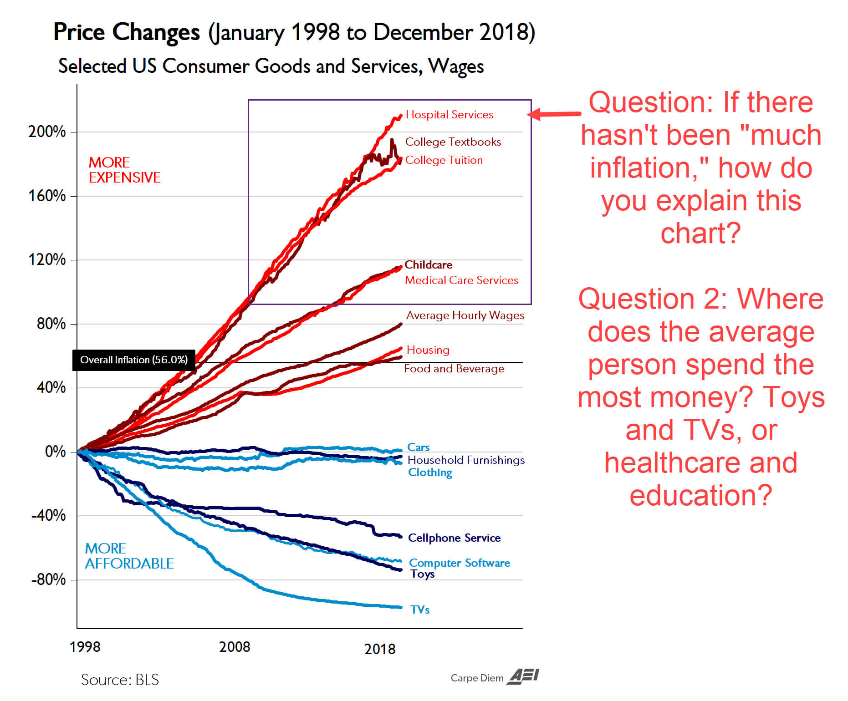

Financiers benefit from Money Printing, because Money Printing Causes Wages in The Financial Industry to Rise. How does Money Printing Cause Wages in Financial Industry to Rise?
Money Printing causes Inflation and from 1970 - 2020 in America the Inflation has gone into Assets; Real Estate and Equities, most notably.
Money Printing has caused Asset Prices to be Very High, and **High Asset Prices Means Greater Revenue For Financial Institutions** since the business business model of many Financial Institutions is to charge a fee for being the middle man on financial transactions....
High Asset Prices means that Financial Transactions become larger (generally speaking), and Financial Transactions being larger means higher fees for financial institutions.....
More revenue (via fees) for financial institutions means greater profits for the institutions, and greater demand for labor within those institutions (higher wages for the workers employed there as financiers).
REAL WORLD CONSEQUENCES: -Money Printing Causes Inflation -Inflation Disproportionately Hits Asset Prices (Higher Real Estate Prices, Higher Equity Valuations) -Higher Asset Prices Means Financial Transactions Are Larger
-Financial Transactions Being Larger Means Bigger Fees (More Revenue) For Financial Institutions -More Revenue For Financial Institutions Means Greater Profits For Them -Greater Profits For Financial Institutions Means Greater Demand For Labor In The Financial Industry...
-Which Means Higher Wages For Employees Of Financial Institutions (Financiers)
REAL WORLD EXAMPLES:
Mortgage Bankers: Mortgage Bankers are paid fees to originate mortgage loans (someone borrowed money to buy a house, or some piece of real estate). When Housing/Real Estate prices are high, mortgage loans are bigger, and the fees paid to mortgage bankers are bigger.
...
Something that Leftwing Feminists and Rightwing Trad-Cons have in common, is that they worship women. They both consider women to be angelic ethereal beings, while everything bad that ever happened was the fault of men.
When I say negative things about men, nobody cares. When I say negative things about women, I get hate for it, from both Leftwing Feminists and Rightwing Trad-Cons.

Most people are untrustworthy. The difference is this... When I say "Most men are untrustworthy" nobody bats an eye. When I say "Moet women are untrustworthy", people explode in rage.

With great power, comes an endless supply of women demanding your time.

Average IQ, by Country
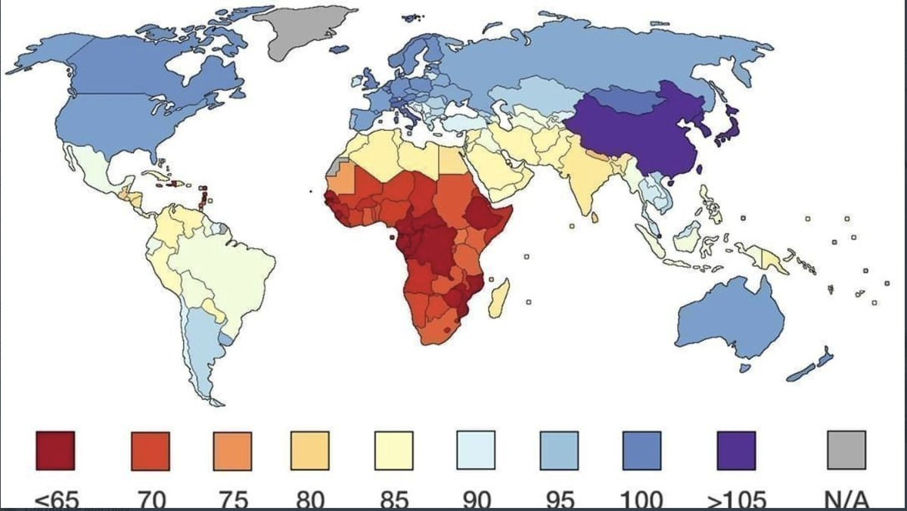

When someone asserts "IQ is not real" I instantly stop viewing them as a credible source of information.
Why? They are saying "I will deny scientific fact, if the facts contradict my egalitarian sensibilities. I prioritize not having my sensibilities offended over finding reality."
There is nothing the field of psychology has ever discovered for which there is more concerete evidence than IQ, so if you're going to deny the legitimacy of IQ, you may as well throw away every psychology book ever written.

Law 22 Addendum: Every conflict you enter into has costs. There is always the cost of the energy that must be expended, and there is also the cost of conflict making the other person dislike you (and thereby them being less willing to do you favors in the future).
As such, only enter into a conflict if you calculate that the probability of you prevailing is high enough, and there is a *substantive reward you get from prevailing big enough*, such that it is worth it.
Entering into conflict because your ego drives you to, rather than because you calculated the benefits and potential rewards outweigh the costs and potential risks, is foolishness. Low IQ people do this. High Ego (Narcissistic) people do this.
...

